MAN
PICTURE | BRAND | CODE | DEDSCRIPTION | COMPOSITION | MADE IN | SIZE | Q.TY | UNIT RETAIL | TOTAL RETAIL
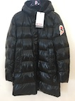 | Invicta | 4432206 07 | Padded jacket | 80% nylon 20% metallic PADDING: 100% polyester | P.R.C | S-M-M-M-M-M-M-M-L-L-L-L-L-L-L-L-L-L-L-L-L-XL-XL-XL-XL-XL-XL-XL-XL-XL-XL-XL-XL-XXL-XXL-XXL-XXL-XXL-XXL-XXL-XXL-XXL | 42 | 435.00 € | 18,270.00 €
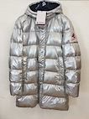 | Invicta | 4432206 319 | Padded jacket | 80% nylon 20% metallic PADDING: 100% polyester | P.R.C | S-S-S-S-S-S-M-M-M-M-M-M-M-M-M-M-M-L-L-L-L-L-L-L-L-L-L-XL-XL-XL-XL-XL-XL-XL-XL-XL-XXL-XXL-XXL-XXL | 40 | 435.00 € | 17,400.00 €
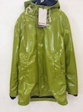 | Invicta | 4432135 1070 | Padded parka | 100% polyester PADDING: 100% polyester | P.R.C | S-L-XXL | 3 | 265.00 € | 795.00 €
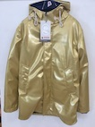 | Invicta | 4432135 1041 | Padded parka | 100% polyester PADDING: 100% polyester | P.R.C | S | 1 | 265.00 € | 265.00 €
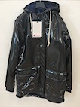 | Invicta | 4432135 1069 | Padded parka | 100% polyester PADDING: 100% polyester | P.R.C | XL | 1 | 265.00 € | 265.00 €
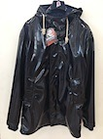 | Invicta | 4432135 460 | Padded parka | 100% polyester PADDING: 100% polyester | P.R.C | M-M-M-M-L-L-L | 7 | 265.00 € | 1,855.00 €
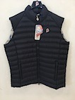 | Invicta | 4437108 961 | Padded gilet | 100% polyamide PADDING: 100% polyester | P.R.C | 4XL | 1 | 117.00 € | 117.00 €
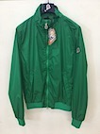 | Invicta | 4431158 971 | Kway | 100% polyamide | P.R.C | L | 1 | 149.00 € | 149.00 €
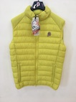 | Invicta | 4437114 970 | Padded gilet | 100% polyamide PADDING: 100% polyester | P.R.C | M-XXL | 2 | 117.00 € | 234.00 €
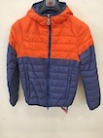 | Invicta | 4431114 883 | Padded jacket | 100% polyamide PADDING: 100% polyester | P.R.C | S | 1 | 169.00 € | 169.00 €
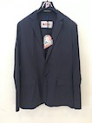 | Invicta | 4436115 56 | Jacket | 95% polyamide 5% spandex | P.R.C | L-XXL-XXL | 3 | 115.00 € | 345.00 €
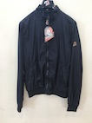 | Invicta | 4431158 56 | Kway | 100% polyamide | P.R.C | M-M | 2 | 149.00 € | 298.00 €
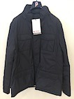 | Invicta | 4432147 1043 | Padded jacket | 100% polyamide PADDING: 100% polyester | P.R.C | 3XL | 1 | 315.00 € | 315.00 €
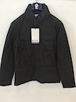 | Invicta | 4432147 1044 | Padded jacket | 100% polyamide PADDING: 100% polyester | P.R.C | S-S-4XL | 3 | 315.00 € | 945.00 €
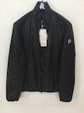 | Invicta | 4431135 332 | Padded kway | 100% polyamide PADDING: 100% polyester | P.R.C | XL-XXL | 2 | 159.00 € | 318.00 €
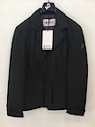 | Invicta | 4436133 939 | Padded jacket | 100% polyester PADDING: 100% polyester | P.R.C | L-L-XL-XL-XXL-XXL | 6 | 260.00 € | 1,560.00 €
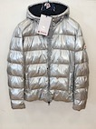 | Invicta | 4431265 319 | Padded jacket | 80% nylon 20% metallic PADDING: 100% polyester | P.R.C | S-S-S-S-M-M-M-M-M-M-M-M-L-L-L-L-L-XL-XL-XL-XL-XL-XL-XL-XL-XL-XXL-XXL-XXL-XXL-XXL-XXL-XXL-XXL-XXL-XXL-XXL-XXL-3XL-3XL-3XL-3XL-3XL | 43 | 399.00 € | 17,157.00 €
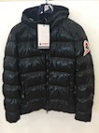 | Invicta | 4431265 07 | Padded jacket | 80% nylon 20% metallic PADDING: 100% polyester | P.R.C | XS-S-S-S-S-S-S-S-M-M-M-M-XL | 13 | 399.00 € | 5,187.00 €
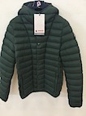 | Invicta | 4431188 979 | Padded jacket | 100% polyamide PADDING: 100% polyester | P.R.C | XS-XS-XS-XS-XS-XS-XS-XS-XS-XS-XS-XS-XS-XS-XS-XS-XS-XS-XS-XS-XS-XS-XS-XS-XS-XS-XS-XS-XS-XS-XS-XS-XS-XS-XS-XS-XS-XS-XS-XS-XS-XS-XS-XS-XS-XS-XS-XS-XS-XS-XS-XS-M-M-M-XL | 56 | 189.00 € | 10,584.00 €
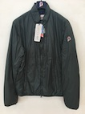 | Invicta | 4431135 950 | Padded kway | 100% polyamide PADDING: 100% polyester | P.R.C | S-XXL | 2 | 159.00 € | 318.00 €
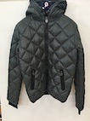 | Invicta | 4431221 1034 | Padded jacket | 100% polyamide PADDING: 100% polyester | P.R.C | 16Y | 1 | 165.00 € | 165.00 €
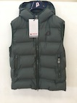 | Invicta | 4437130 1068 | Padded gilet | 100% polyester PADDING: 100% polyester | P.R.C | M-XXL-3XL | 3 | 207.00 € | 621.00 €
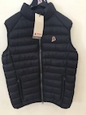 | Invicta | 4437125 978 | Padded gilet | 100% polyamide PADDING: 100% polyester | P.R.C | L | 1 | 127.00 € | 127.00 €
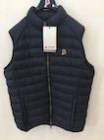 | Invicta | 4432200 332 | Padded gilet | 100% polyamide PADDING: 100% polyester | P.R.C | 3XL | 1 | 127.00 € | 127.00 €
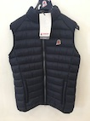 | Invicta | 4437125 960 | Padded gilet | 100% polyamide PADDING: 100% polyester | P.R.C | S-4XL-4XL | 3 | 127.00 € | 381.00 €
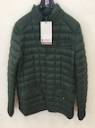 | Invicta | 4436123 979 | Padded jacket | 100% polyamide PADDING: 100% polyester | P.R.C | M-3XL-4XL | 3 | 135.00 € | 405.00 €
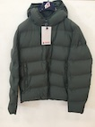 | Invicta | 4431232 1068 | Padded jacket | 100% polyester PADDING: 100% polyester | P.R.C | M-M-XL-XL-XXL-XXL-XXL-3XL-3XL-3XL-3XL-3XL-3XL-4XL | 14 | 237.00 € | 3,318.00 €
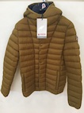 | Invicta | 4431188 943 | Padded jacket | 100% polyamide PADDING: 100% polyester | P.R.C | XS-XS-XS-XS-XS-XS-XS-XS-XS-XS | 10 | 189.00 € | 1,890.00 €
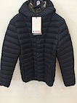 | Invicta | 4431188 1005 | Padded jacket | 100% polyamide PADDING: 100% polyester | P.R.C | XS-XS-XS-XS | 4 | 189.00 € | 756.00 €
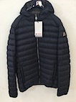 | Invicta | 4431196 916 | Padded jacket | 100% polyamide PADDING: 100% polyester | P.R.C | 3XL | 1 | 135.00 € | 135.00 €
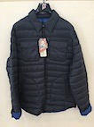 | Invicta | 4436108 730 | Padded jacket | 100% polyamide PADDING: 100% polyester | P.R.C | 3XL | 1 | 125.00 € | 125.00 €
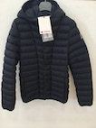 | Invicta | 4431188 460 | Padded jacket | 100% polyamide PADDING: 100% polyester | P.R.C | S | 1 | 189.00 € | 189.00 €
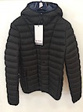 | Invicta | 4431188 1002 | Padded jacket | 100% polyamide PADDING: 100% polyester | P.R.C | XS-XS-XS | 3 | 189.00 € | 567.00 €
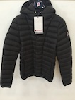 | Invicta | 4431188 908 | Padded jacket | 100% polyamide PADDING: 100% polyester | P.R.C | XS | 1 | 189.00 € | 189.00 €
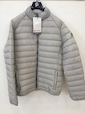 | Invicta | 4431198 994 | Padded jacket | 100% polyamide PADDING: 100% polyester | P.R.C | M-4XL | 2 | 125.00 € | 250.00 €
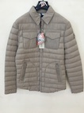 | Invicta | 4436108 410 | Padded jacket | 100% polyamide PADDING: 100% polyester | P.R.C | S-XL-XL | 3 | 125.00 € | 375.00 €
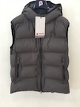 | Invicta | 4437130 962 | Padded gilet | 100% polyester PADDING: 100% polyester | P.R.C | S | 1 | 207.00 € | 207.00 €
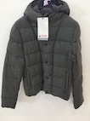 | Invicta | 4431231 415 | Padded jacket | 50% wool 50% viscose PADDING: 100% polyester | P.R.C | S-M-L | 3 | 385.00 € | 1,155.00 €
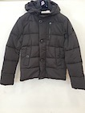 | Invicta | 4431268 15 | Padded jacket | 100% polyester PADDING: 100% polyester | P.R.C | S-M-L | 3 | 180.00 € | 540.00 €
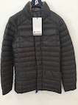 | Invicta | 4432146 930 | Padded jacket | 100% polyamide PADDING: 100% polyester | P.R.C | S-S-S-S | 4 | 135.00 € | 540.00 €
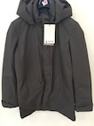 | Invicta | 4432172 887 | Padded jacket | 100% polyester PADDING: 100% polyester | P.R.C | S-S | 2 | 315.00 € | 630.00 €
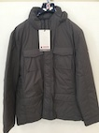 | Invicta | 4432147 1036 | Padded jacket | 100% polyamide PADDING: 100% polyester | P.R.C | XL | 1 | 315.00 € | 315.00 €
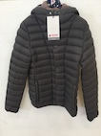 | Invicta | 4431188 930 | Padded jacket | 100% polyamide PADDING: 100% polyester | P.R.C | XS-XS-XS-M | 4 | 189.00 € | 756.00 €
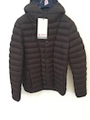 | Invicta | 4431188 969 | Padded jacket | 100% polyamide PADDING: 100% polyester | P.R.C | XS-XS-S-S | 4 | 189.00 € | 756.00 €
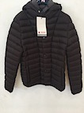 | Invicta | 4431188 976 | Padded jacket | 100% polyamide PADDING: 100% polyester | P.R.C | XS-XS-XS-M | 4 | 189.00 € | 756.00 €
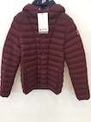 | Invicta | 4431188 926 | Padded jacket | 100% polyamide PADDING: 100% polyester | P.R.C | XS-XS-S | 3 | 189.00 € | 567.00 €
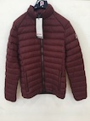 | Invicta | 4431198 926 | Padded jacket | 100% polyamide PADDING: 100% polyester | P.R.C | S-XL | 2 | 125.00 € | 250.00 €
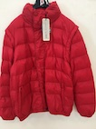 | Invicta | 4431129 3 | Padded jacket | 100% polyamide PADDING: 100% polyester | P.R.C | XXL | 1 | 125.00 € | 125.00 €
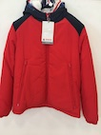 | Invicta | 4431213 03 | Padded jacket | 100% polyester PADDING: 100% polyester | P.R.C | L-XXL | 2 | 229.00 € | 458.00 €
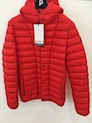 | Invicta | 4431188 997 | Padded jacket | 100% polyamide PADDING: 100% polyester | P.R.C | S-M-M | 3 | 189.00 € | 567.00 €
 | Invicta | 4431188 996 | Padded jacket | 100% polyamide PADDING: 100% polyester | P.R.C | XS | 1 | 189.00 € | 189.00 €
 | Invicta | 4431188 980 | Padded jacket | 100% polyamide PADDING: 100% polyester | P.R.C | XS-XS-XS-XS-XS-XS-XS-XS-XS-XS-XS-XS-XS-XS-XS-XS-XS-XS-XS-XS-XS-XS-XS-XS-S-M | 26 | 189.00 € | 4,914.00 €
 |  |  |  |  |  |  | 346 |  | 98,891.00 €

WOMAN
PICTURE | BRAND | CODE | DESCRIPTION | COMPOSITION | MADE IN | SIZE | Q.TY | UNIT RETAIL | TOTAL RETAIL
 | Invicta | 4432135 150 | Padded parka | 75% polyester 25% polyurethane PADDING: 100% polyester | P.R.C. | XS-XS-XS-XS-XS-S-S-S-S-S-S-S-S-S-S-S-S-S-S-M-M-M-M-M-M-M-M-M-M-M-M | 31 | 265.00 € | 8,215.00 €
 | Invicta | 4432135 931 | Padded parka | 75% polyester 25% polyurethane PADDING: 100% polyester | P.R.C. | XS-XS-XS-XS-S-S-S-S-S-S-S-M-M-M-M-M-M-M-M-L-L | 21 | 265.00 € | 5,565.00 €
 | Invicta | 4432135 871 | Padded parka | 75% polyester 25% polyurethane PADDING: 100% polyester | P.R.C. | XS-XS-XS-S-S-S-S-S-S-S-S-S-S-S-S-M-M-M-M-M-M-M-M-L-XXL | 25 | 265.00 € | 6,625.00 €
 | Invicta | 4432135 460 | Padded parka | 75% polyester 25% polyurethane PADDING: 100% polyester | P.R.C. | XS-XS-XS-XS-XS-XS-XS-XS-XS-XS-XS-S-S-S-S-S-S-S-S-S-S-S-S-S-S-S-S-S-S-S-S-S-S-S-M-M-M-M-M-M-M-M-M-M-M-M-M-M-M-M-M-M-M-M-M-M-M-M-M-M-M-M-M-M-L-L-L-L-L-L-L | 71 | 265.00 € | 18,815.00 €
 | Invicta | 4432135 1041 | Padded parka | 75% polyester 25% polyurethane PADDING: 100% polyester | P.R.C. | XS-XS-XS-XS-XS-XS-XS-XS-XS-XS-XS-XS-XS-S-S-S-S-S-S-S-S-S-S-S-S-S-S-S-S-S-S-S-S-S-S-S-S-S-S-S-S-S-S-S-S-S-S-S-S-S-S-M-M-M-M-M-M-M-M-M-M-M-M-M-M-M-M-M-M-M-L-L-L-L-L-L | 76 | 265.00 € | 20,140.00 €
 | Invicta | 4432168 332 | Padded coat | 50% wool 50% viscose PADDING: 100% polyester | P.R.C. | M-L | 2 | 249.00 € | 498.00 €
 | Invicta | 4431233 332 | Padded coat | 50% wool 50% viscose PADDING: 100% polyester | P.R.C. | L | 1 | 194.00 € | 194.00 €
 | Invicta | 4431233 1040 | Padded coat | 50% wool 50% viscose PADDING: 100% polyester | P.R.C. | S | 1 | 194.00 € | 194.00 €
 | Invicta | 4431241 460 | Padded coat | 50% wool 50% viscose PADDING: 100% polyester | P.R.C. | 14Y | 1 | 125.00 € | 125.00 €
 | Invicta | 4436125 1065 | Padded jacket | 100% polyamide PADDING: 100% polyester | P.R.C. | XS-XS-S-S-M | 5 | 105.00 € | 525.00 €
 | Invicta | 4432165 332 | Padded jacket | 100% polyester PADDING: 100% polyester | P.R.C. | S-M-L | 3 | 269.00 € | 807.00 €
 | Invicta | 4431196 1039 | Padded jacket | 100% polyamide PADDING: 100% polyester | P.R.C. | 12Y | 1 | 139.00 € | 139.00 €
 | Invicta | 4432162 1051 | Padded jacket | 100% polyester PADDING: 100% polyester | P.R.C. | XL-XL-XL-XL | 4 | 255.00 € | 1,020.00 €
 | Invicta | 4432162 332 | Padded jacket | 100% polyester PADDING: 100% polyester | P.R.C. | XS-XS-XS-XS-XS-S-XXL-XXL | 8 | 255.00 € | 2,040.00 €
 | Invicta | 4437129 332 | Padded gilet | 100% polyester PADDING: 100% polyester | P.R.C. | M-XL | 2 | 195.00 € | 390.00 €
 | Invicta | 4431196 1016 | Padded jacket | 100% polyamide PADDING: 100% polyester | P.R.C. | S | 1 | 139.00 € | 139.00 €
 | Invicta | 4431223 460 | Padded jacket | 100% polyester PADDING: 100% polyester | P.R.C. | S-L | 2 | 267.00 € | 534.00 €
 | Invicta | 4432160 460 | Padded jacket | 100% polyester PADDING: 100% polyester | P.R.C. | L | 1 | 284.00 € | 284.00 €
 | Invicta | 4431198 1016 | Padded jacket | 100% polyamide PADDING: 100% polyester | P.R.C. | XS-XS-XS-XS-S- | 5 | 139.00 € | 695.00 €
 | Invicta | 4431130 929 | Padded jacket | 100% polyamide PADDING: 100% polyester | P.R.C. | XL | 1 | 139.00 € | 139.00 €
 | Invicta | 4436103 929 | Padded jacket | 100% polyamide PADDING: 100% polyester | P.R.C. | S | 1 | 129.00 € | 129.00 €
 | Invicta | 4431132 925 | Padded jacket | 100% polyamide PADDING: 100% polyester | P.R.C. | L | 1 | 109.00 € | 109.00 €
 | Invicta | 4437103 866 | Padded gilet | 100% polyamide PADDING: 100% polyester | P.R.C. | M-M | 2 | 94.00 € | 188.00 €
 | Invicta | 4431208 1012 | Padded jacket | 100% polyamide PADDING: 100% polyester | P.R.C. | M-M | 2 | 149.00 € | 298.00 €
 | Invicta | 4432115 4 | Padded parka | 75% cotton 25% polyamide PADDING: 100% polyester | P.R.C. | M-M | 2 | 299.00 € | 598.00 €
 | Invicta | 4431137 891 | Padded jacket | 100% polyamide PADDING: 100% polyester | P.R.C. | XS | 1 | 139.00 € | 139.00 €
 | Invicta | 4431139 15 | Padded jacket | 100% polyamide PADDING: 100% polyester | P.R.C. | XS | 1 | 149.00 € | 149.00 €
 | Invicta | 4431140 7 | Padded jacket | 100% polyamide PADDING: 100% polyester | P.R.C. | XXL | 1 | 204.00 € | 204.00 €
 | Invicta | 4432188 332 | Padded jacket | 100% polyamide PADDING: 100% polyester | P.R.C. | XS | 1 | 159.00 € | 159.00 €
 | Invicta | 4432158 1016 | Padded jacket | 100% polyamide PADDING: 100% polyester | P.R.C. | XS-S-S-M-M-L-XL | 7 | 210.00 € | 1,470.00 €
 | Invicta | 4431122 900 | Padded jacket | 100% polyamide PADDING: 100% polyester | P.R.C. | XS-S-XL | 3 | 109.00 € | 327.00 €
 | Invicta | 4432160 972 | Padded jacket | 100% polyester PADDING: 100% polyester | P.R.C. | XS-S | 2 | 284.00 € | 568.00 €
 | Invicta | 4431223 332 | Padded jacket | 100% polyester PADDING: 100% polyester | P.R.C. | M | 1 | 267.00 € | 267.00 €
 | Invicta | 4432205 1089 | Padded jacket | 80% polyamide 20% metallic PADDING: 100% polyester | P.R.C. | XS-XS-S-S-S-S-S-S-S-S-M-L-L-L-XL | 15 | 279.00 € | 4,185.00 €
 |  |  |  |  |  |  | 302 |  | 75,873.00 €

